Gym_v2
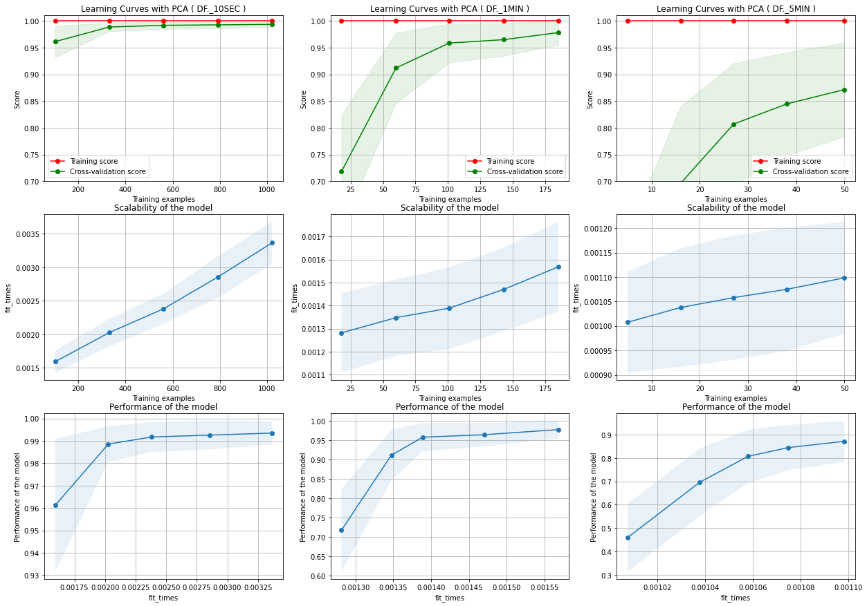
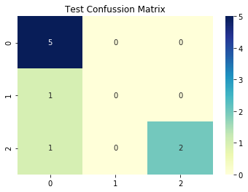
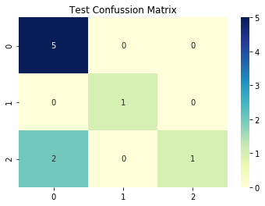
Training |  |  |  |  |  |  |  |  | DT - worst case ( 5 minutes ) | DT - worst case with PCA (5 minutes)
 | Balanced |  |  |  | Balanced and PCA
 | Original | 10 sec | 1 minute | 5 minute | Original | 10 sec | 1 minute | 5 minute
SVM | NA | 0.99921 | 1 | 0.91428 | NA | 0.99921 | 1 | 0.91428
KNN | 1 | 0.99921 | 0.99574 | 0.93095 | 1 | 0.99921 | 0.98704 | 0.94761
DT | 1 | 0.99804 | 0.98931 | 0.89642 | 0.99949 | 0.9953 | 0.98487 | 0.90595
Mean | 1 | 0.99882 | 0.99501666667 | 0.91388333333 | 0.999745 | 0.99790666667 | 0.99063666667 | 0.92261333333

Testing
 | Balanced |  |  |  | Balanced and PCA
 | Original | 10 sec | 1 minute | 5 minute | Original | 10 sec | 1 minute | 5 minute
SVM | NA | 0.99507 | 1 | 0.88888 | NA | 0.99507 | 1 | 0.88888 | There were only 9 test instances, so 2 errors significantly affected the precision
KNN | 1 | 0.99507 | 1 | 0.77777 | 1 | 0.99507 | 1 | 0.88888
DT | 1 | 0.99507 | 0.97222 | 0.77777 | 0.99802 | 0.98522 | 0.97222 | 0.77777
Mean | 1 | 0.99507 | 0.99074 | 0.81480666667 | 0.99901 | 0.99178666667 | 0.99074 | 0.85184333333
Time

SVC Learning Curves |  |  |  |  |  |  |  | KNN Learning Curves
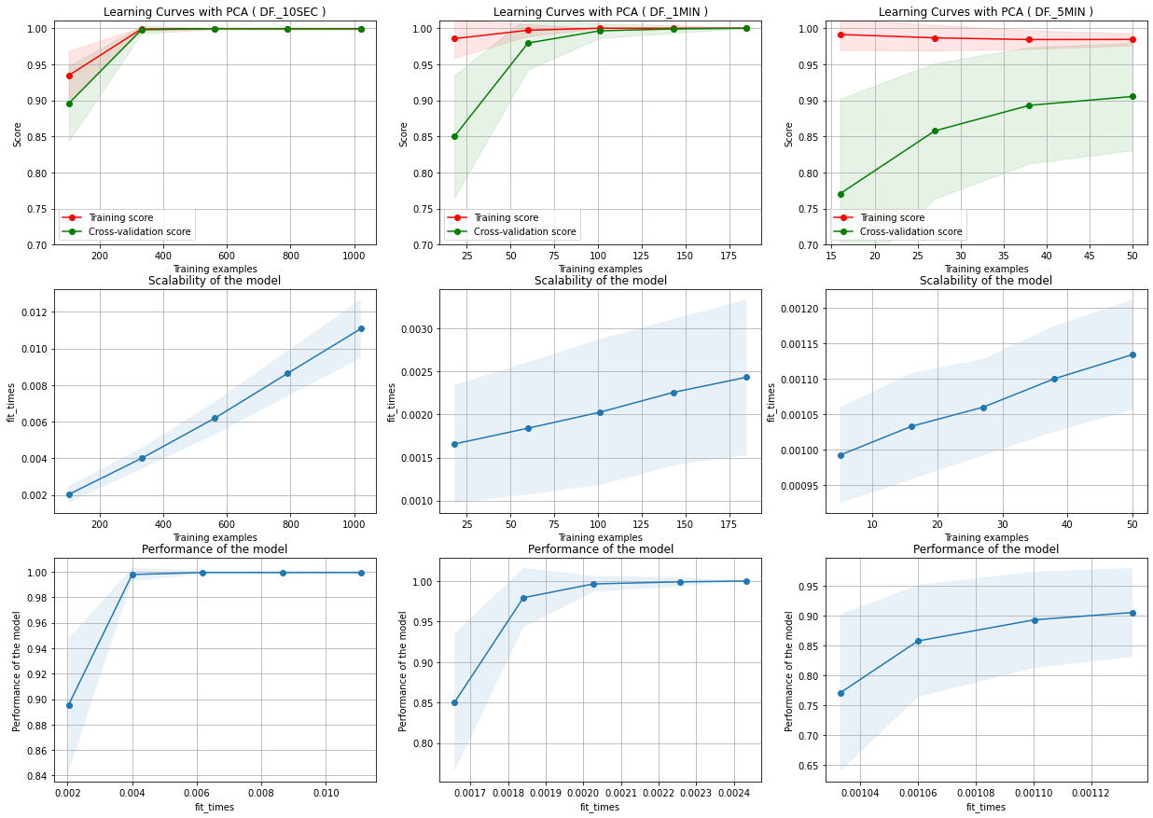
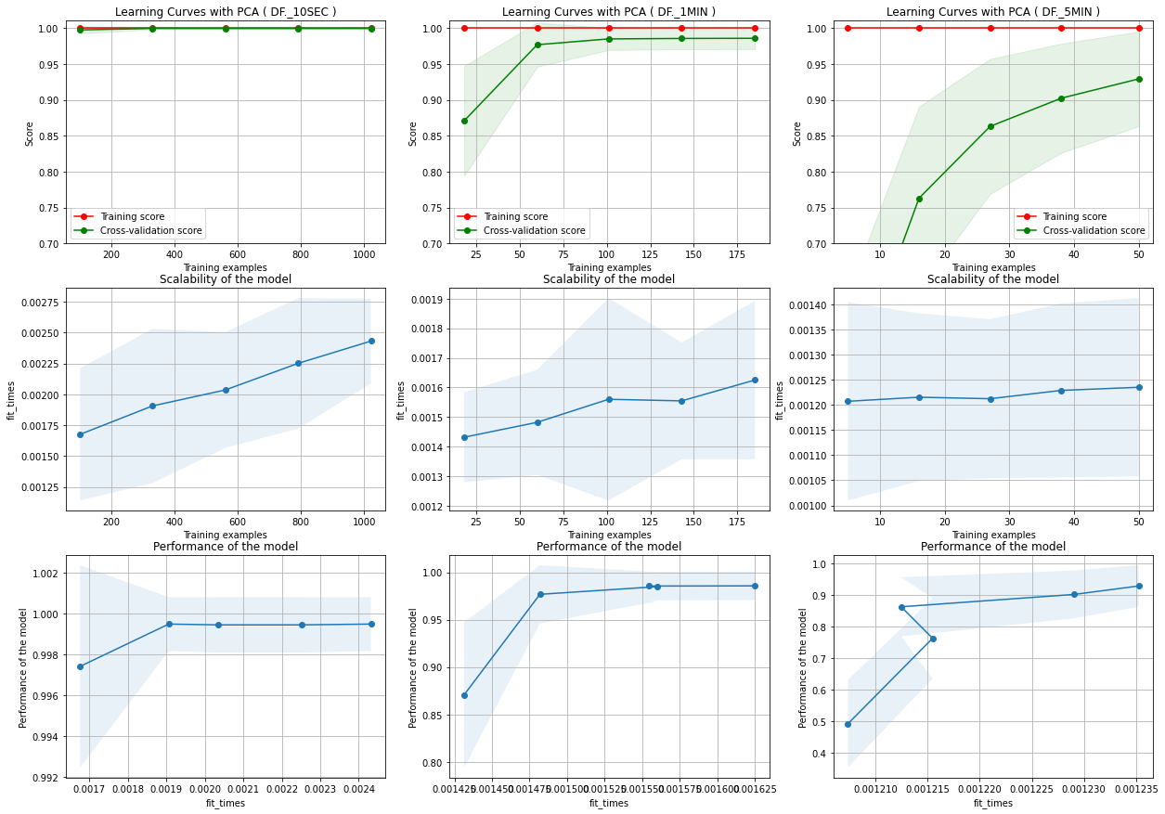

DT Learning Curves

Dressing_Room_v2
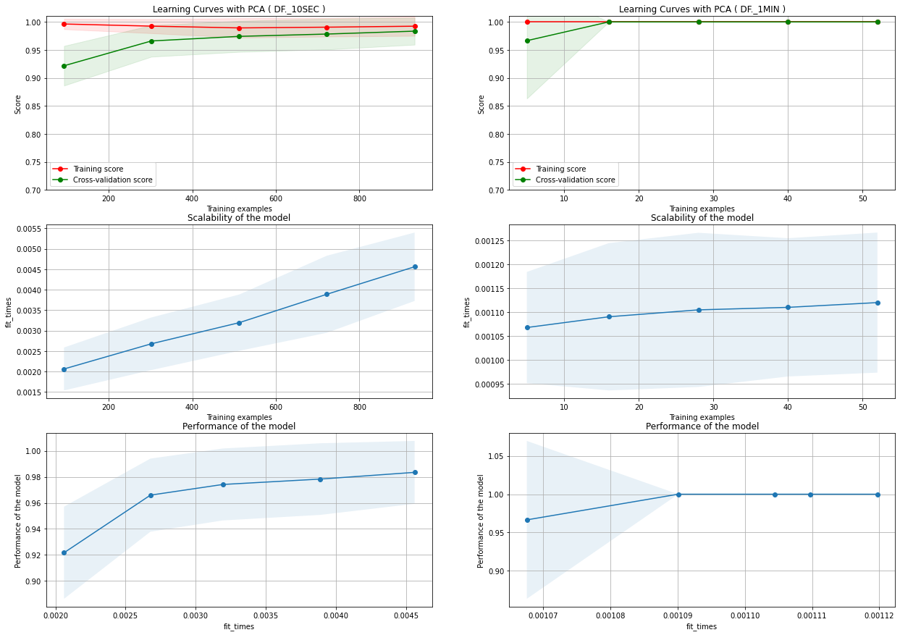
Training
 | Balanced |  |  |  | Balanced and PCA
 | Original | 10 sec | 1 minute | 5 minute | Original | 10 sec | 1 minute | 5 minute
SVM | NA | 0.99914 | 1 | NA | NA | 0.99914 | 1 | NA
KNN | 1 | 0.99957 | 1 | NA | 1 | 0.99914 | 1 | NA
DT | 0.99978 | 0.99486 | 1 | NA | 0.99957 | 0.9957 | 1 | NA
Mean | 0.99989 | 0.99785666667 | 1 |  | 0.999785 | 0.99799333333 | 1

Testing
 | Balanced |  |  |  | Balanced and PCA
 | Original | 10 sec | 1 minute | 5 minute | Original | 10 sec | 1 minute | 5 minute |  | 5 minutes dataset had only 15 instances
SVM | NA | 1 | 1 | NA | NA | 1 | 1 | NA |  | 1 minute dataset had 66 instances
KNN | 1 | 1 | 1 | NA | 1 | 1 | 1 | NA
DT | 0.9995 | 0.99507 | 1 | NA | 1 | 0.99507 | 1 | NA
Mean | 0.99975 | 0.99835666667 | 1 |  | 1 | 0.99835666667 | 1

 | SVC Learning Curves |  |  |  |  |  |  |  | KNN Learning Curves
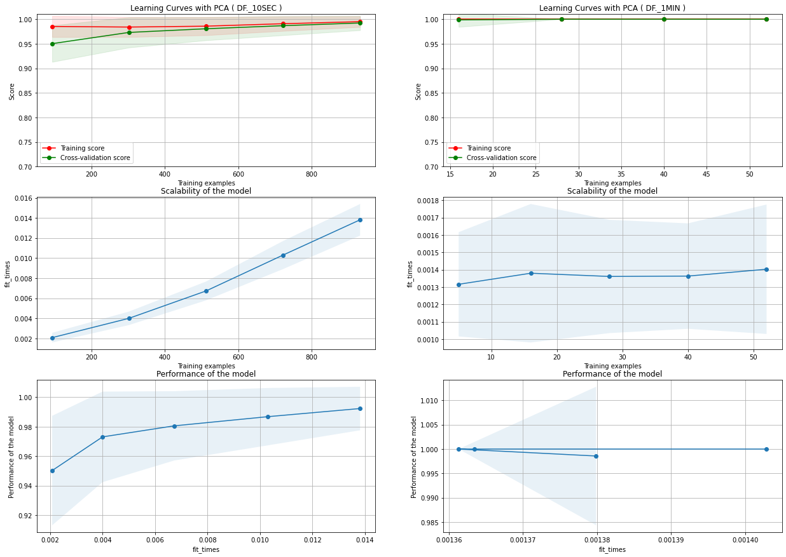
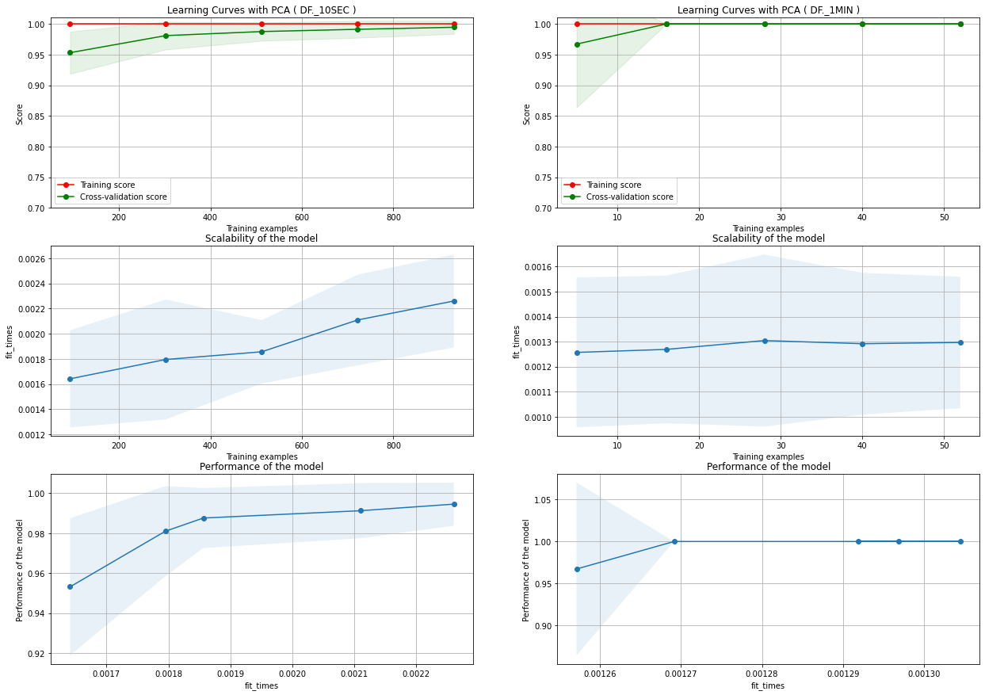

 | DT Learning Curves

Residential
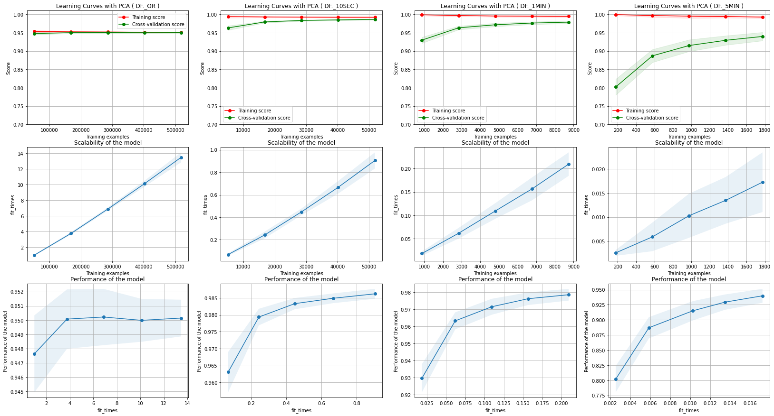
Training |  |  |  |  |  |  |  |  | SVM took. 4:17 hours to complete the grid search with the last three datasets. The search was reduced to only RBF Kernel, and it tooks allways both values of gamma and C as 10, as optimal parameters. We must test increasing these values.
 | Balanced |  |  |  | Balanced and PCA |  |  |  | DT took 27 minutes to complete the grid seach with all the datasets. It is portant to stress that it allways took the max_depth available (12) and criterion gini as optimal parameters . We must test is increasing this parameters has a positive effect on the accuracy.
 | Original | 10 sec avg. | 1 minute | 5 minute | Original | 10 sec avg | 1 minute | 5 minute | Learning Curves KNN
SVM |  | 0.94709 | 0.96626 | 0.96438 | NA | 0.94709 | 0.9609 | 0.95289
KNN | 0.99844 | 0.99768 | 0.9951 | 0.98016 | 0.99287 | 0.99765 | 0.99194 | 0.97588
DT | 0.9566 | 0.98846 | 0.9831 | 0.96416 | 0.95043 | 0.9864 | 0.9788 | 0.9441
Mean |  | 0.97774333333 | 0.98148666667 | 0.96956666667 |  | 0.97704666667 | 0.97721333333 | 0.95762333333

Testing
 | Balanced |  |  |  | Balanced and PCA
 | Original | 10 sec avg | 1 minute | 5 minute | Original | 10 sec avg | 1 minute | 5 minute
SVM |  | 0.96147 | 0.96378 | 0.89552 | NA | 0.96147 | 0.95472 | 0.88059
KNN | 0.99285 | 0.98546 | 0.96881 | 0.92537 | 0.99075 | 0.98546 | 0.96478 | 0.91044
DT | 0.97714 | 0.9711 | 0.94969 | 0.92039 | 0.95629 | 0.9613 | 0.9336 | 0.87064
Mean | 0.984995 | 0.97267666667 | 0.96076 | 0.91376 | 0.97352 | 0.96941 | 0.95103333333 | 0.88722333333

Learning Curves SVC
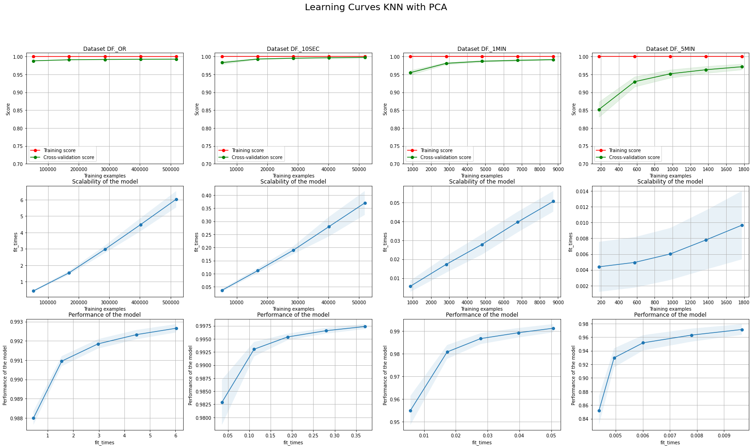

Decision Trees

